Expense Sheet
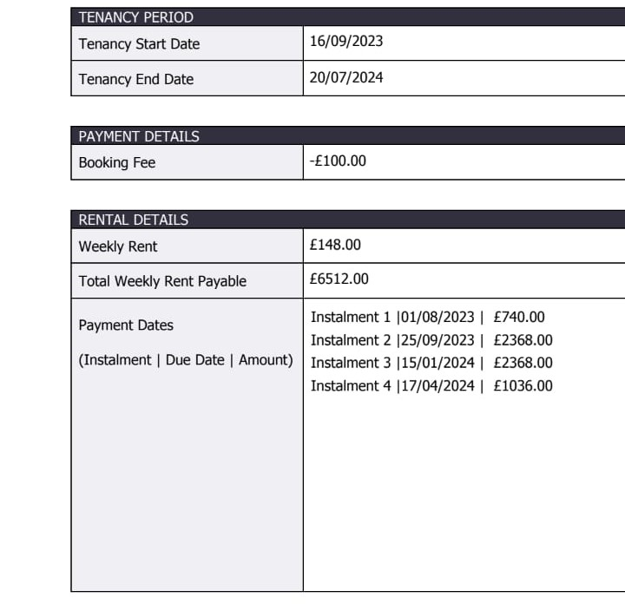
 |  |  | Amount(INR) | Amount(GBP) |  | Money to show for visa | Amount(GBP) | Amount(INR)
 |  | Total Required | 4037570.6 | 39158.1 |  | Tution - (Scholarship)+deposit | 24200 | 2509341
 |  | Total Paid | 3000 | 9.56 |  | Living | 10000 | 1036917.8
 |  | Total Left | 4034570.6 | 39148.54 |  | Total | 34200 | 3546258.8
 |  | Total Saved | 0 | 0

Month/ Year | Date | Amount(GBP) | Amount(INR) | Reason | Frequency | Status | Expense Type | Monthly Total (INR) | Monthly Total (GBP)
--- | --- | 1500 | 158000 | Tution | One Time/ Installment | Pending | Studies | 158000 | 1523.8
--- | --- | 694.4 | 72000 | Flight | One Time/ Installment | Pending | Migration
May, 2023 | 05/25/2023 | 500 | 51845.9 | Emergency Fund | One Time/ Installment | Pending | Existence | 123845.9 | 1194.4
June, 2023 | 06/30/2023 | 482.2 | 50000 | Shopping | One Time/ Installment | Pending | Existence | 50000 | 701.8
June, 2023 | 06/20/2023 | 363 | 39605 | VISA | One Time/ Installment | Pending | Migration
June, 2023 | 06/20/2023 | 28.9 | 3000 | VISA Medical | One Time/ Installment | Pending | Migration
June, 2023 | 06/20/2023 | 500 | 51845.9 | VISA Priority | One Time/ Installment | Pending | Migration
June, 2023 | 06/20/2023 | 705 | 73102.7 | VISA(NHS) | One Time/ Installment | Pending | Migration | 167553.6 | 1615.9
August, 2023 | 08/01/2023 | 22700 | 2353803.3 | Tution | One Time/ Installment | Pending | Studies
August, 2023 | 08/01/2023 | 740 | 76731.9 | Accomodation | One Time/ Installment | Pending | Existence | 2430535.2 | 23440.2
September, 2023 | 09/14/2023 | 1000 | 103691.8 | Forex | One Time/ Installment | Pending | Existence
September, 2023 | 09/14/2023 | 1000 | 103691.8 | Cash in Hand | One Time/ Installment | Pending | Existence
September, 2023 | 09/25/2023 | 2368 | 245542.1 | Accomodation | One Time/ Installment | Pending | Existence | 452925.7 | 4368
October, 2023 | 10/01/2023 | 100 | 10369.2 | Grocery | Monthly | Pending | Existence
October, 2023 | 10/01/2023 | 50 | 5184.6 | Travel | Monthly | Pending | Existence
October, 2023 | 10/01/2023 | 10 | 1036.9 | SIM/ Communication | Monthly | Pending | Existence
October, 2023 | 10/01/2023 | 50 | 5184.6 | Miscellaneous(Entertainment, Clothing, etc.) | Monthly | Pending | Existence | 21775.3 | 210
November, 2023 | 11/01/2023 | 100 | 10369.2 | Grocery | Monthly | Pending | Existence
November, 2023 | 11/01/2023 | 50 | 5184.6 | Travel | Monthly | Pending | Existence
November, 2023 | 11/01/2023 | 10 | 1036.9 | SIM/ Communication | Monthly | Pending | Existence
November, 2023 | 11/01/2023 | 50 | 5184.6 | Miscellaneous(Entertainment, Clothing, etc.) | Monthly | Pending | Existence | 21775.3 | 210
December, 2023 | 12/01/2023 | 100 | 10369.2 | Grocery | Monthly | Pending | Existence
December, 2023 | 12/01/2023 | 50 | 5184.6 | Travel | Monthly | Pending | Existence
December, 2023 | 12/01/2023 | 10 | 1036.9 | SIM/ Communication | Monthly | Pending | Existence
December, 2023 | 12/01/2023 | 50 | 5184.6 | Miscellaneous(Entertainment, Clothing, etc.) | Monthly | Pending | Existence | 21775.3 | 210
January, 2024 | 01/01/2024 | 100 | 10369.2 | Grocery | Monthly | Pending | Existence
January, 2024 | 01/01/2024 | 50 | 5184.6 | Travel | Monthly | Pending | Existence
January, 2024 | 01/01/2024 | 10 | 1036.9 | SIM/ Communication | Monthly | Pending | Existence
January, 2024 | 01/01/2024 | 50 | 5184.6 | Miscellaneous(Entertainment, Clothing, etc.) | Monthly | Pending | Existence
January, 2024 | 01/15/2024 | 2368 | 245542.1 | Accomodation | One Time/ Installment | Pending | Existence | 267317.4 | 2578
February, 2024 | 02/01/2024 | 100 | 10369.2 | Grocery | Monthly | Pending | Existence
February, 2024 | 02/01/2024 | 50 | 5184.6 | Travel | Monthly | Pending | Existence
February, 2024 | 02/01/2024 | 10 | 1036.9 | SIM/ Communication | Monthly | Pending | Existence
February, 2024 | 02/01/2024 | 50 | 5184.6 | Miscellaneous(Entertainment, Clothing, etc.) | Monthly | Pending | Existence | 21775.3 | 210
March, 2024 | 03/01/2024 | 100 | 10369.2 | Grocery | Monthly | Pending | Existence
March, 2024 | 03/01/2024 | 50 | 5184.6 | Travel | Monthly | Pending | Existence
March, 2024 | 03/01/2024 | 10 | 1036.9 | SIM/ Communication | Monthly | Pending | Existence
March, 2024 | 03/01/2024 | 50 | 5184.6 | Miscellaneous(Entertainment, Clothing, etc.) | Monthly | Pending | Existence | 21775.3 | 210
April, 2024 | 04/01/2024 | 100 | 10369.2 | Grocery | Monthly | Pending | Existence
April, 2024 | 04/01/2024 | 50 | 5184.6 | Travel | Monthly | Pending | Existence
April, 2024 | 04/01/2024 | 10 | 1036.9 | SIM/ Communication | Monthly | Pending | Existence
April, 2024 | 04/01/2024 | 50 | 5184.6 | Miscellaneous(Entertainment, Clothing, etc.) | Monthly | Pending | Existence
April, 2024 | 04/17/2024 | 1036 | 107424.7 | Accomodation | One Time/ Installment | Pending | Existence | 129200 | 1246
May, 2024 | 05/01/2024 | 100 | 10369.2 | Grocery | Monthly | Pending | Existence
May, 2024 | 05/01/2024 | 50 | 5184.6 | Travel | Monthly | Pending | Existence
May, 2024 | 05/01/2024 | 10 | 1036.9 | SIM/ Communication | Monthly | Pending | Existence
May, 2024 | 05/01/2024 | 50 | 5184.6 | Miscellaneous(Entertainment, Clothing, etc.) | Monthly | Pending | Existence | 21775.3 | 210
June, 2024 | 06/01/2024 | 100 | 10369.2 | Grocery | Monthly | Pending | Existence
June, 2024 | 06/01/2024 | 50 | 5184.6 | Travel | Monthly | Pending | Existence
June, 2024 | 06/01/2024 | 10 | 1036.9 | SIM/ Communication | Monthly | Pending | Existence
June, 2024 | 06/01/2024 | 50 | 5184.6 | Miscellaneous(Entertainment, Clothing, etc.) | Monthly | Pending | Existence | 21775.3 | 210
July, 2024 | 07/01/2024 | 100 | 10369.2 | Grocery | Monthly | Pending | Existence
July, 2024 | 07/01/2024 | 50 | 5184.6 | Travel | Monthly | Pending | Existence
July, 2024 | 07/01/2024 | 10 | 1036.9 | SIM/ Communication | Monthly | Pending | Existence
July, 2024 | 07/01/2024 | 50 | 5184.6 | Miscellaneous(Entertainment, Clothing, etc.) | Monthly | Pending | Existence | 21775.3 | 210
August, 2024 | 08/01/2024 | 100 | 10369.2 | Grocery | Monthly | Pending | Existence
August, 2024 | 08/01/2024 | 50 | 5184.6 | Travel | Monthly | Pending | Existence
August, 2024 | 08/01/2024 | 600 | 62215.1 | Accomodation Addon | One Time/ Installment | Pending | Existence
August, 2024 | 08/01/2024 | 10 | 1036.9 | SIM/ Communication | Monthly | Pending | Existence
August, 2024 | 08/01/2024 | 50 | 5184.6 | Miscellaneous(Entertainment, Clothing, etc.) | Monthly | Pending | Existence | 83990.4 | 810
September, 2024 | 09/01/2024 | 100 | 10369.2 | Grocery | Monthly | Pending | Existence
September, 2024 | 09/01/2024 | 50 | 5184.6 | Travel | Monthly | Pending | Existence
September, 2024 | 09/01/2024 | 600 | 62215.1 | Accomodation Addon | One Time/ Installment | Pending | Existence
September, 2024 | 09/01/2024 | 10 | 1036.9 | SIM/ Communication | Monthly | Pending | Existence
September, 2024 | 09/01/2024 | 50 | 5184.6 | Miscellaneous(Entertainment, Clothing, etc.) | Monthly | Pending | Existence
Total |  |  |  |  |  |  |  | 4037570.6 | 39158.1

 |  |  |  | Accomodation for ref
 |  |  |  | Iq collingwood newcastle

